Product Comparison
 |  | WyreStorm Network HD NHD-500-TX/RX V2 NHD-510-TX | Crestron DigitalMedia NVX DM-NVX-E30 DM-NVX-D30 DM-NVX-360 (TRX) DM-NVX-363 (TRX) | Extron NAV PRO AVoIP NAV E 511 NAV SD 511 | AMX SVSI NMX-ENC-N2412A NMX-DEC-N2422A | BLUSTREAM IP350UHD-TX IP350UHD-RX | Just Add Power MAXCOLOR Encoder: MC-TX3/TX2/TX1 Decoder: MC-RX1/RX2 | NETVIO IP-JP4-60-TX IP-JP4-60-RX IP-JP4-60-DNT-TX-10 IP-JP4-60-DNT-RX-10 | Visionary Encoder: DuetE-5 / E5200 / E5100 Decoder: DuetD-5 / D5200 / D5100 | Visionary MXnet 1G Evolution II Encoder MXnet 1G Evolution II Decoder
Picture |  |  | 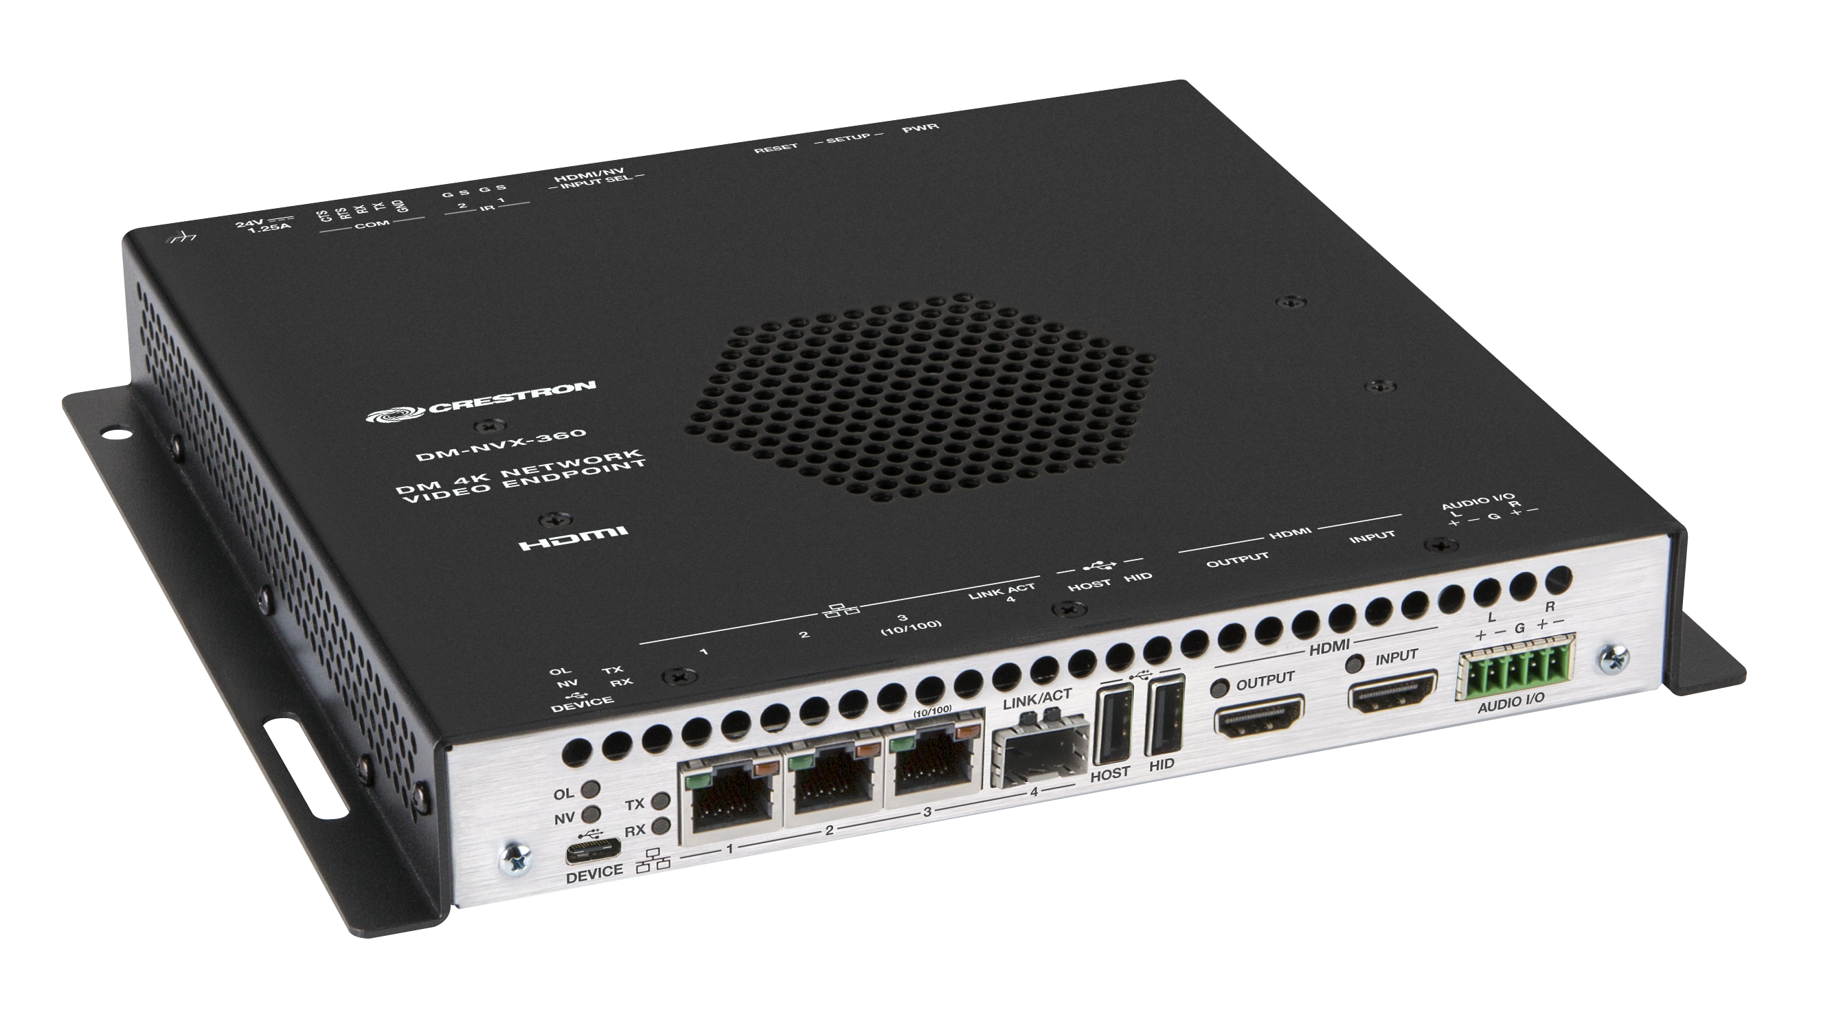 |  |  |  |  |  | 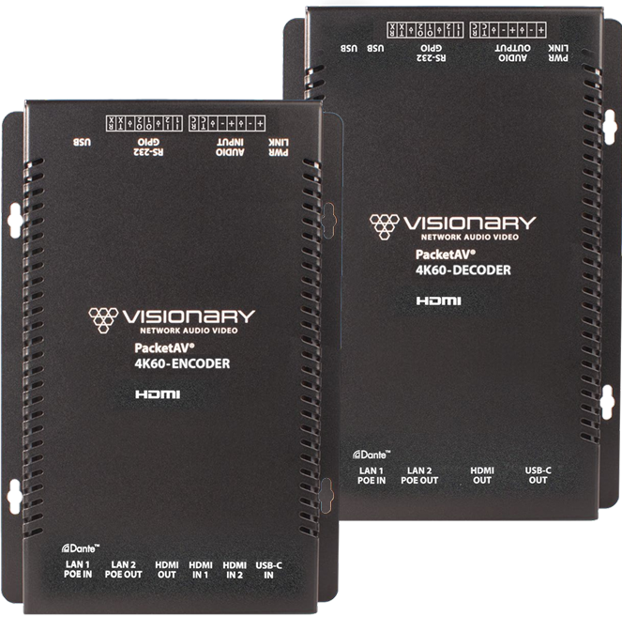
PRICE (MSRP)
Web Site
Compression Technology |  | JPEG 2000 | JPEG 2000 | PURE3 | JPEG 2000 | JPEG 2000 | JPEG 2000 | H.264/H.265/RTSP | JPEG 2000 | JPEG 2000
Network Type |  | 1GbE or 1Gb Fiber Multicast | 1GbE or 1Gb Fiber Multicast | 1GbE Multicast | 1GbE or 1Gb Fiber Multicast | 1GbE or 1Gb Fiber Multicast | 1GbE or 1Gb Fiber Multicast (Fiber only in MC-TX2) | 1GbE Multicast | 1GbE Multicast | 1GbE Multicast
Max Bandwith |  | 850 Mb/s | 750 Mb/s | 900 Mb/s | TBD | TBD | 850 Mb/s | 850 Mb/s | 800 Mb/s | 850 Mb/s
Wall plate TX |  | NHD-500-IW-TX | NO | Yes | NO | IP300UHD-WP-TX | MC-TXWP1 | NO | Wall plate series | AC-Mxnet-1G-EV2WP
Video | Max Resolution | 4K @60Hz 4:4:4 8bit | 4K @60Hz 4:4:4 8bit | 4K @60Hz 4:4:4 8bit | 4K @60Hz 4:4:4 8bit | 4K @60Hz 4:4:4 8bit | 4K @60Hz 4:4:4 36bit | 4K @60Hz 4:4:4 8bit | 4K @60Hz 4:4:4 8bit | 4K @60Hz 4:4:4 8bit
 | HDR | DV/HDR10+ | DV/HDR10+ | HDR | HDR | DV/HDR | DV/HDR10+ | DV/HDR10+ | DV/HDR10+ | DV (Dolby Vision)/ HDR10/ HLG
 | Minimum Latency | 3-4 ms | <1 frame | <1 frame | sub-frame | sub-frame | sub-frame | < less than 1 video frame | Ultra-low latency sub-frame | * end-to-end system: 1 video frame (16ms); * ultra-low latency mode (ULLM): <4ms;
 | Video Wall | Yes (Up to 16x16) | Yes | Yes (Extron Windowwall) | Yes (Up to 10x10) | Yes | Yes | Yes | Yes | Yes (Up to 16x16)
 | Mosaic Video Wall | Yes | NO | NO | NO | NO | NO | NO | NO | NO
 | Image Rotation | Yes | NO | NO | NO | Yes | NO | Yes | Yes | NO
 | Fast Switching (< 1s) | Yes | just 1 * HDMI input | Yes | TBD | just 1 * HDMI input | just 1 * HDMI input | just 1 * HDMI input | Yes | just 1 * HDMI input
 | Seamless Switching | Yes | just 1 * HDMI input | Yes | TBD | just 1 * HDMI input | just 1* HDMI input | just 1 * HDMI input | Yes | just 1 * HDMI input
 | Multi-view | Yes (working with NHD-0401-MV) | NO | NO | Extra MV Processor NMX-WP-N2410 | NO | Extra MV Processor MC-QX | NO | Extra MV5 IP Multiviewer | 4K 4x1 Multi-viewer (AC-MV-41)
 | HDMI Loop Out | Yes | NO | Yes | Yes | Yes | Yes | Yes | Yes | Yes
 | USB-C Input | Yes (NHD-510-TX only) | NO | NO | NO | NO | NO | NO | Yes | NO (Just In Wall-Plate)
Audio | Dolby Atmos/DTS:X | Yes | Yes | Yes | Yes | Yes | Yes | Yes | Yes | Yes (Dolby Atmos & DTS-HD Master Audio)
 | Audio de-embed | Yes | Yes | Yes | Yes | Yes | Yes | Yes | Yes | Yes
 | Audio Return Channel ARC | Yes (ARC / eARC) | NO | NO | NO | Yes | Yes | Yes (ARC / eARC) | NO | Yes
 | Dante/AES67 | Yes (Dante AV-A + AES67) | Only AES67 | Only AES67 | Only AES67 | Yes Dante Audio | Only AES67 | Yes (IP-JP4-60-DNT only, Dante AV-A) | Yes (DuetE-5 series) | Yes
Features
USB 2.0 |  | Yes | Yes (Only NVX-360/363) | Yes | Yes | Yes | Yes | NO | Yes | Yes Encoder: 1x USB Host; Decoder: 2x USB Device ports;
PoE |  | Yes | PoE+ | NO | PoE+ | Yes | Yes | NO | Yes (PoE and PoE+) | Yes (PoE: 15.4W)
RS232 |  | Yes | Yes | Yes | Yes | Yes | Yes | Yes | Yes | Yes
Fiber Connector |  | Yes | Yes | NO | Yes | Yes | Yes (Fiber only in MC-TX2) | NO | NO | Yes
IR |  | Yes | Yes | NO | Yes | Yes | Yes | Yes | Yes | Yes
Security Encryption |  | Yes | Yes | Yes | Yes | Yes | NO | Yes | Yes | Yes
Warranty (Years) |  | 5 | 3 | 3 | 2 | TBD | 5 | 5 | TBD | TBD
Preconfigured switch |  | Yes (Netgear) | NO | NO | NO | NO | NO | SW-IP-48P-10 && SW-IP-24P-10 | NO | AC-MXNET-SW24 & AC-MXNET-SW48
Controller
Name |  | NHD-CTL-PRO | Crestron processors (Software) | Extron NAVigator | N-Command Controllers | ACM210 | Controller only software | IP-JP4-CL-10 | Vision Lite (only software) | AC-MXNET-CBOX-HA
Wizard configuration process |  | Yes | NO | NO | NO | Yes | NO | NO | NO | TBD
Web UI |  | Yes | Yes | Yes | Yes | Yes | NO | Yes | Yes | Yes
PoE |  | Yes | NO | Yes | NO | Yes | NO | Yes | NO | Yes
Isolated AV & CTRL ports |  | Yes | NO | Yes | NO | Yes | JAD Config | Yes | NO | NO

